Add new user
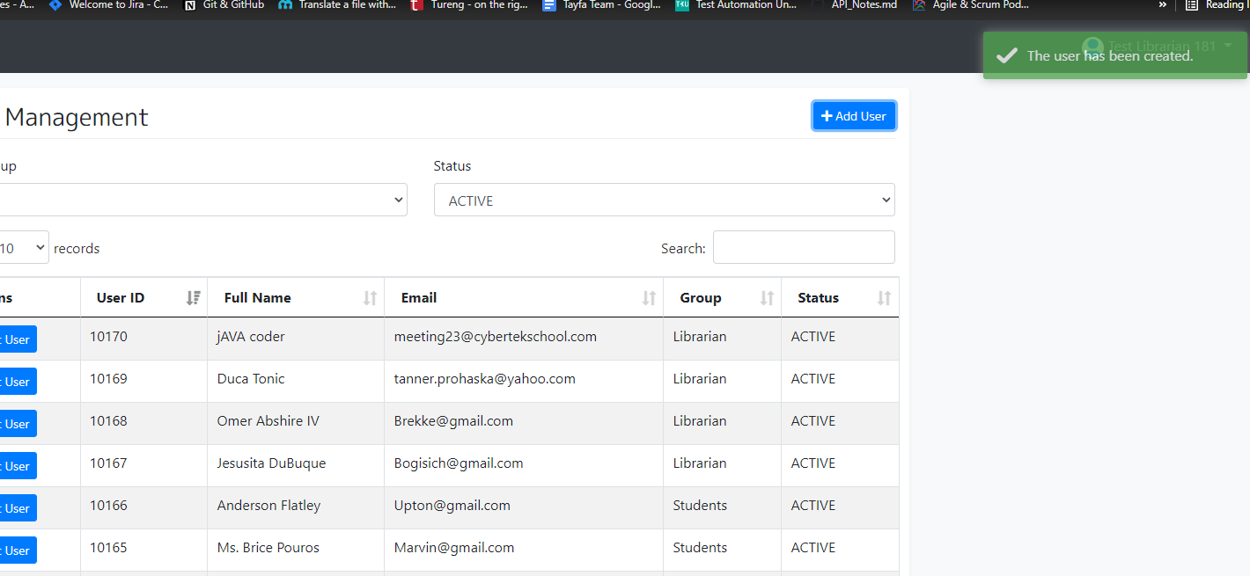
User Story | Acceptance Criteria | Test Case ID | Test Case Description | Pre-Condition | Test Steps and description | Test Data | Expected Result | Actual Result | Pass / Fail | Comments/Evidence
As a librarian I should be able to add new users | 1-Librarian can add new user with valid credentials | SYS-436 (SAMPLE) | Verify that librarian can add new user with valid credentials | Access to Chrome Browser | 1. Navigate to login page | http://library1.cybertekschool.com/ | 1.Login page should be displayed successfully | 1.Login page launched successfully | PASS
 |  |  |  |  | 2.Enter mail address of a libririan to the email input box | User Name: librarian181@library (valid) | 2.Email address should be entered | 2.Email address is entered as librarian181@library
 |  |  |  |  | 3.Enter valid password into password inputbox | Password: WwRsaD3J (valid) | 3.Password should be entered | 3.Password is entered as WwRsaD3J
 |  |  |  |  | 4.Click on the sign in button on the login page |  | 4.User should be able to click on the sign in button | 4.User clicked on the sign in button
 |  |  |  |  | 5.Verify that user can land on the homepage |  | 5.User should be able to land on Homepage | 5.User landed on the Homepage
 |  |  |  |  | 6.Click on "Users" button on top of the page |  | 6. User should see the "User Management" page | 6. User navigated to "User Management" page
 |  |  |  |  | 7. Click on "+add user" button |  | 7. User should see the "add user" pop up page | 7. "add user" pop up page opened
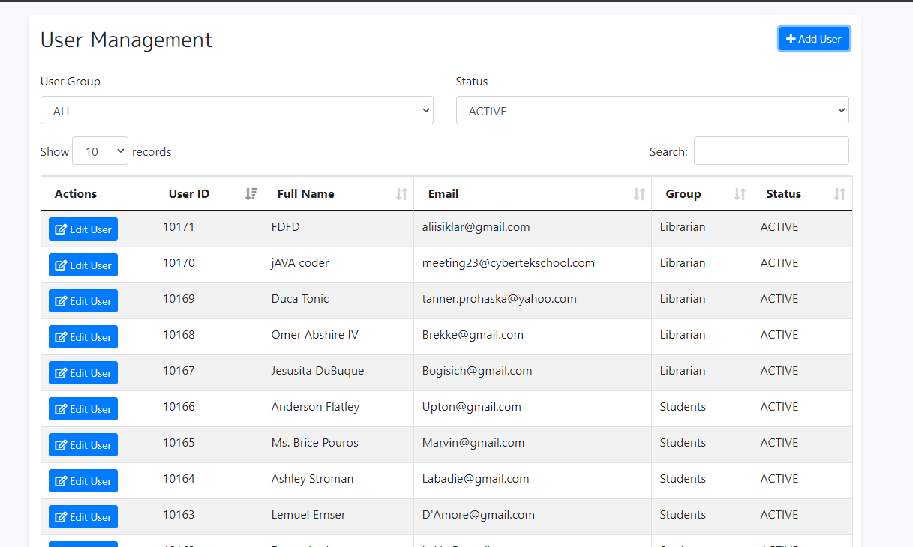
 |  |  |  |  | 8. Add a new user with valid credantials and click on "Save Changes" button | Full Name: Mike Smith Password: 1234 Email: MikeS@gmail.com User Group: Librarian Status: Active Start Date: Test Date End Date:2021-08-11 Address: New York | 5.System should add new user and user should see "The user has been created" message | 5. As expected
 |  | SYS-437 (SAMPLE) | Verify that librarian can not add new user with invalid credentials (Negative Scenario1 with invalid name) | Access to Chrome Browser | 1. Navigate to login page | http://library1.cybertekschool.com/ | 1.Login page should be displayed successfully | 1.Login page launched successfully | FAIL
 |  |  |  |  | 2.Enter mail address of a libririan to the email input box | User Name: librarian181@library (valid) | 2.Email address should be entered | 2.Email address is entered as librarian181@library
 |  |  |  |  | 3.Enter valid password into password inputbox | Password: WwRsaD3J (valid) | 3.Password should be entered | 3.Password is entered as WwRsaD3J
 |  |  |  |  | 4.Click on the sign in button on the login page |  | 4.User should be able to click on the sign in button | 4.User clicked on the sign in button
 |  |  |  |  | 5.Verify that user can land on the homepage |  | 5.User should be able to land on Homepage | 5.User landed on the Homepage
 |  |  |  |  | 6.Click on "Users" button on top of the page |  | 6. User should see the "User Management" page | 6. User navigated to "User Management" page
 |  |  |  |  | 7. Click on "+add user" button |  | 7. User should see the "add user" pop up page | 7. "add user" pop up page opened
 |  |  |  |  | 8. Add new user with invalid (invalid name) credantials and click on "Save Changes" button | Full Name: 213986%&/ Password: 1234 Email: MikeS@gmail.com User Group: Librarian Status: Active Start Date: Test Date End Date:2021-08-11 Address: New York | 8.System should not allow user to save the changes. | 8. System excepting special chars and numbers for name input box
 |  | SYS-438 (SAMPLE) | Verify that librarian can add new user with valid credentials (Negative Scenario2 with invalid end date) | Access to Chrome Browser | 1. Navigate to login page | http://library1.cybertekschool.com/ | 1.Login page should be displayed successfully | 1.Login page launched successfully | FAIL
 |  |  |  |  | 2.Enter mail address of a libririan to the email input box | User Name: librarian181@library (valid) | 2.Email address should be entered | 2.Email address is entered as librarian181@library
 |  |  |  |  | 3.Enter valid password into password inputbox | Password: WwRsaD3J (valid) | 3.Password should be entered | 3.Password is entered as WwRsaD3J
 |  |  |  |  | 4.Click on the sign in button on the login page |  | 4.User should be able to click on the sign in button | 4.User clicked on the sign in button
 |  |  |  |  | 5.Verify that user can land on the homepage |  | 5.User should be able to land on Homepage | 5.User landed on the Homepage
 |  |  |  |  | 6.Click on "Users" button on top of the page |  | 6. User should see the "User Management" page | 6. User navigated to "User Management" page
 |  |  |  |  | 7. Click on "+add user" button |  | 7. User should see the "add user" pop up page | 7. "add user" pop up page opened
 |  |  |  |  | 8. Add new user with invalid (assign end date before test date) credantials and click on "Save Changes" button | Full Name: 213986%&/ Password: 1234 Email: MikeS@gmail.com User Group: Librarian Status: Active Start Date: Test Date End Date:2021-08-11 Address: New York | 8.System should not allow user to save the changes. | 8. System excepting assining end date before test date

BugExample
